TEDB Edition 40
The graphs below show the number of motor vehicles per thousand people for various countries. The data for the United States are displayed in the line which goes from 1900 to 2019. The points labeled on that line show data for the other countries/regions around the world and how their vehicles per thousand people compare to the United States at two different points in time, 2009 and 2019. For example, the graph shows that in 2009, Eastern Europe’s vehicles per thousand people was about where the United States was in 1949, but by 2019 it is about where the United States was in 1958. The lower part of the graph (1900-1930) is shown enlarged on the facing page.

Figure 3.3. Vehicles per Thousand People: U.S. (Over Time) Compared to |  |  |  | Figure 3.3. Vehicles per Thousand People: U.S. (Over Time) Compared to
Other Countries (in 2009 and 2019) |  |  |  | Other Countries (in 2009 and 2019)

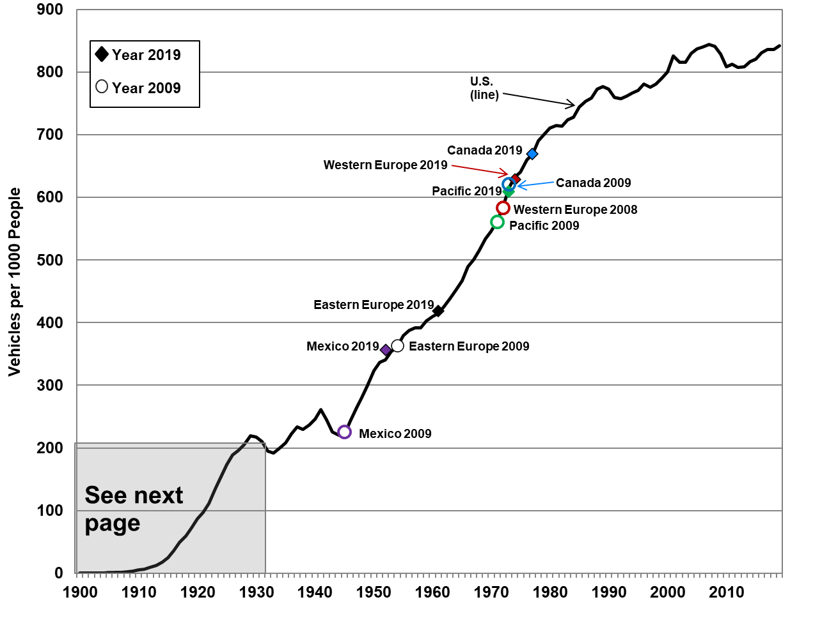
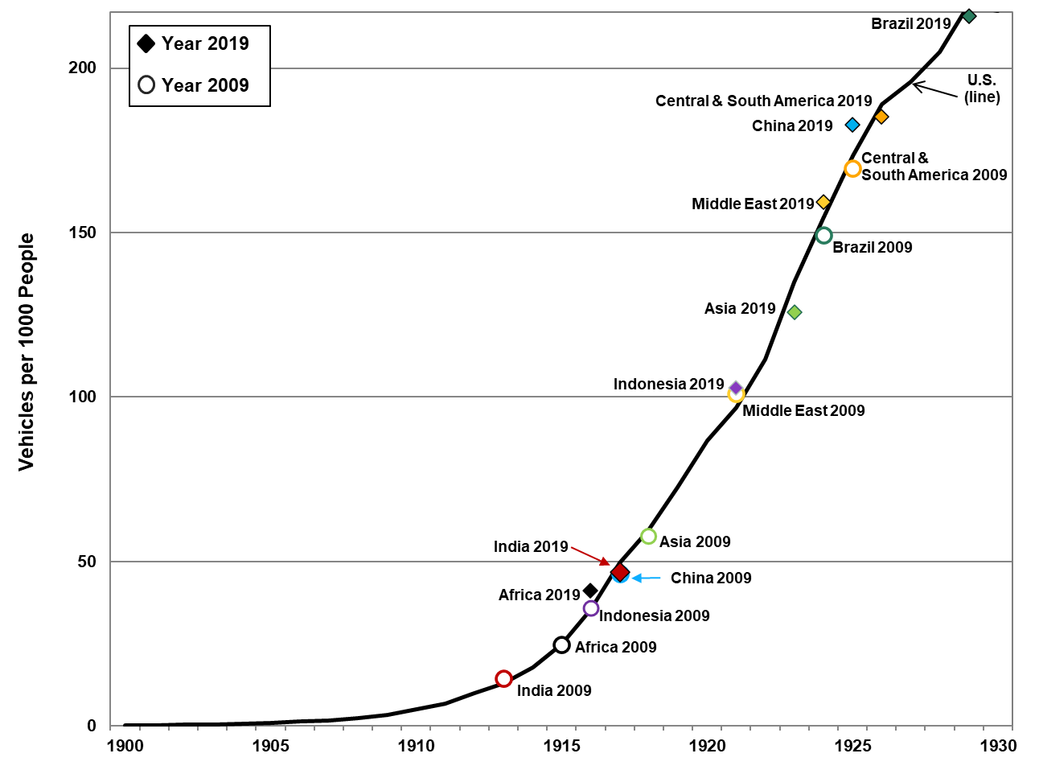

Source:
See Tables 3.7 and 3.8.

Table 3.7 |  |  | Table 3.8
Vehicles per Thousand People in Selected Countries/Regions, 2009 and 2019 |  |  | Vehicles per Thousand People in the United States, 1990-2019

 |  |  |  | U.S. |  | U.S. |  | U.S. |  | U.S. |  | U.S.
 | Vehicles per 1,000 people |  |  | vehicles |  | vehicles |  | vehicles |  | vehicles |  | vehicles
Country/Region | 2009 | 2019 |  | per 1,000 |  | per 1,000 |  | per 1,000 |  | per 1,000 |  | per 1,000
Africa | 24.9 | 41.2 | Year | people | Year | people | Year | people | Year | people | Year | people
Asia, Far East | 57.7 | 125.8 | 1900 | 0.1 | 1924 | 154.4 | 1948 | 280.2 | 1972 | 585.6 | 1996 | 781.2
Asia, Middle East | 101.2 | 159.4 | 1901 | 0.2 | 1925 | 173.3 | 1949 | 299.6 | 1973 | 615.2 | 1997 | 776.0
Brazil | 149.2 | 215.9 | 1902 | 0.3 | 1926 | 189.1 | 1950 | 323.7 | 1974 | 632.3 | 1998 | 781.2
Canada | 620.9 | 669.4 | 1903 | 0.4 | 1927 | 195.8 | 1951 | 337.1 | 1975 | 640.1 | 1999 | 790.1
Central & South America | 169.7 | 185.3 | 1904 | 0.7 | 1928 | 204.9 | 1952 | 340.6 | 1976 | 659.5 | 2000 | 800.3
China | 46.2 | 182.7 | 1905 | 0.9 | 1929 | 219.3 | 1953 | 353.7 | 1977 | 669.0 | 2001 | 825.8
Europe, East | 363.9 | 418.4 | 1906 | 1.3 | 1930 | 217.3 | 1954 | 361.4 | 1978 | 690.2 | 2002 | 815.7
Europe, West | 583.3 | 628.9 | 1907 | 1.7 | 1931 | 210.4 | 1955 | 379.8 | 1979 | 700.4 | 2003 | 816.1
India | 14.4 | 46.8 | 1908 | 2.2 | 1932 | 195.4 | 1956 | 387.6 | 1980 | 710.7 | 2004 | 829.9
Indonesia | 35.9 | 102.7 | 1909 | 3.5 | 1933 | 192.4 | 1957 | 392.1 | 1981 | 715.2 | 2005 | 837.3
Mexico | 225.1 | 356.2 | 1910 | 5.1 | 1934 | 199.9 | 1958 | 392.2 | 1982 | 714.0 | 2006 | 840.7
Pacific | 560.9 | 608.4 | 1911 | 6.8 | 1935 | 208.6 | 1959 | 402.8 | 1983 | 724.3 | 2007 | 844.5
United States | 828.7 | 842.3 | 1912 | 9.9 | 1936 | 222.6 | 1960 | 410.4 | 1984 | 728.2 | 2008 | 841.6
 |  |  | 1913 | 12.9 | 1937 | 233.3 | 1961 | 415.1 | 1985 | 744.5 | 2009 | 828.7
Sources: |  |  | 1914 | 17.8 | 1938 | 229.7 | 1962 | 426.1 | 1986 | 753.3 | 2010 | 808.4
2019 population – U.S. Census Bureau, Population Division, International Data Base (IDB) World, September 2021. (Additional resources: www.census.gov/programs-surveys/international-programs) |  |  | 1915 | 24.8 | 1939 | 236.9 | 1963 | 438.8 | 1987 | 758.6 | 2011 | 812.5
 |  |  | 1916 | 35.5 | 1940 | 245.6 | 1964 | 451.6 | 1988 | 772.9 | 2012 | 807.8
 |  |  | 1917 | 49.6 | 1941 | 261.6 | 1965 | 466.9 | 1989 | 777.0 | 2013 | 809.1
2019 vehicles – United States: See Table 3.6. All other countries: Ward’s Communications, www.wardsauto.com. |  |  | 1918 | 59.7 | 1942 | 244.7 | 1966 | 489.3 | 1990 | 773.4 | 2014 | 817.1
 |  |  | 1919 | 72.5 | 1943 | 225.9 | 1967 | 500.7 | 1991 | 760.2 | 2015 | 821.1
2009 data – Oak Ridge National Laboratory, Transportation Energy Data Book: Edition 30, ORNL-6986, 2011. |  |  | 1920 | 86.8 | 1944 | 220.2 | 1968 | 516.5 | 1992 | 758.0 | 2016 | 831.2
 |  |  | 1921 | 96.7 | 1945 | 221.8 | 1969 | 533.4 | 1993 | 761.9 | 2017 | 836.6
 |  |  | 1922 | 111.5 | 1946 | 243.1 | 1970 | 545.4 | 1994 | 766.9 | 2018 | 836.3
 |  |  | 1923 | 134.9 | 1947 | 262.6 | 1971 | 562.5 | 1995 | 771.0 | 2019 | 842.3

 |  |  | Sources:
 |  |  | Population – U.S. Census Bureau, Population Division, International Data Base (IDB) World, September 2021. (Additional resources: www.census.gov/programs-surveys/international-programs/about/idb.html) Vehicles – U.S. Department of Transportation, Federal Highway Administration, Highway Statistics 2019, Washington, DC, 2021.

